Sheet1
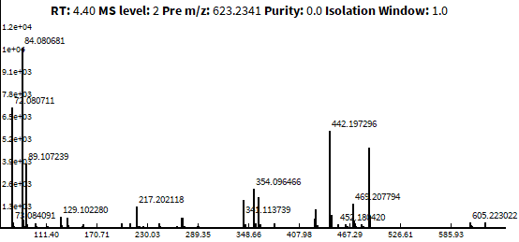
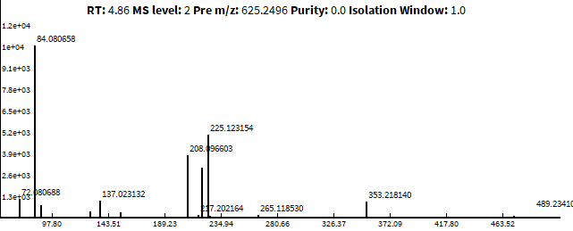
625.2504 m/z
623.2348 m/z
 | Protochelin | Protochelin-2H | Protochelin-4H | Protochelin-6H
 | 625.2504 m/z | 623.2348 m/z | 621.2191 m/z | 619.2035 m/z
 | Peak area | Peak area | Peak area | Peak area
Protochelin Standard | 1.11E+10 | 6.80E+05 | 0.00E+00 | 0.00E+00
Proto x PPO 0h | 1.10E+10 | 7.00E+07 | 1.60E+07 | 0.00E+00
Proto x PPO 30mins | 8.40E+09 | 6.90E+08 | 1.30E+08 | 1.50E+06
Proto x PPO 2h | 7.50E+09 | 1.10E+09 | 4.10E+08 | 5.90E+08
Proto x PPO 24h | 6.20E+08 | 3.10E+08 | 1.10E+09 | 3.30E+07

Percentage Calculations
Protochelin Standard | 1E+02
Proto x PPO 0h | 1E+02 |  | 1.11E+10 | 1E+02 | %
Proto x PPO 30mins | 8E+01 |  | 9.22E+09 | 8E+01 | %
Proto x PPO 2h | 7E+01 |  | 9.60E+09 | 9E+01 | %
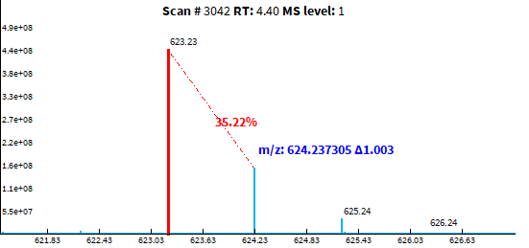
Proto x PPO 24h | 6E+00 |  | 2.06E+09 | 2E+01 | %
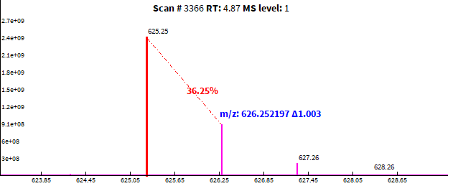
625.2504 m/z
623.2348 m/z

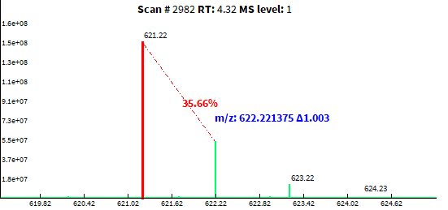
621.2191 m/z
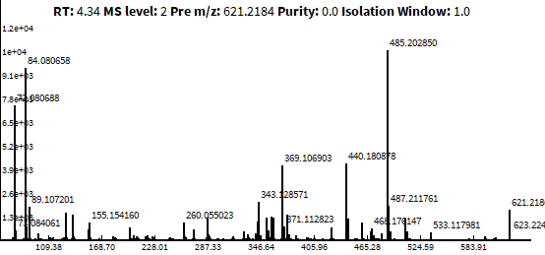

621.2191 m/z

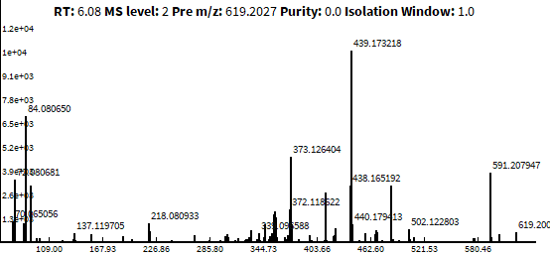
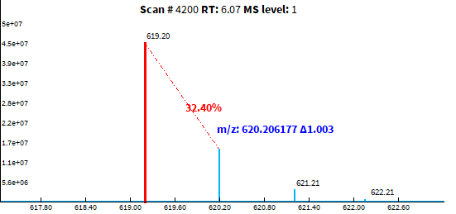
619.2035 m/z

619.2035 m/z

